Introduction


Fixed Index Annuity

Version 1

Last Updated: 10 March 2021

Created By: Coherent Actuarial

 | 100

withdrawal_percentage
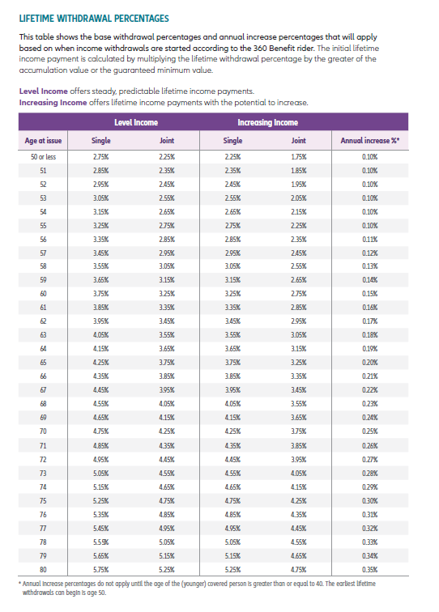
Age | Level Income | Increasing Income | Annual increase % | old | new
50 | 2.77% | 2.25% | 0.11% | 0.10% | 0.11%
51 | 2.87% | 2.45% | 0.11% | 0.10% | 0.11%
52 | 2.98% | 2.55% | 0.11% | 0.10% | 0.11%
53 | 3.08% | 2.65% | 0.11% | 0.10% | 0.11%
54 | 3.19% | 2.75% | 0.11% | 0.10% | 0.11%
55 | 3.30% | 2.85% | 0.11% | 0.10% | 0.11%
56 | 3.40% | 2.95% | 0.12% | 0.11% | 0.12%
57 | 3.51% | 3.06% | 0.13% | 0.12% | 0.13%
58 | 3.61% | 3.17% | 0.14% | 0.13% | 0.14%
59 | 3.72% | 3.28% | 0.15% | 0.14% | 0.15%
60 | 3.82% | 3.39% | 0.16% | 0.15% | 0.16%
61 | 3.93% | 3.50% | 0.17% | 0.16% | 0.17%
62 | 4.03% | 3.61% | 0.18% | 0.17% | 0.18%
63 | 4.14% | 3.72% | 0.19% | 0.18% | 0.19%
64 | 4.24% | 3.83% | 0.20% | 0.19% | 0.20%
65 | 4.35% | 3.94% | 0.21% | 0.20% | 0.21%
66 | 4.45% | 4.05% | 0.22% | 0.21% | 0.22%
67 | 4.56% | 4.16% | 0.23% | 0.22% | 0.23%
68 | 4.66% | 4.27% | 0.24% | 0.23% | 0.24%
69 | 4.77% | 4.38% | 0.25% | 0.24% | 0.25%
70 | 4.87% | 4.49% | 0.26% | 0.25% | 0.26%
71 | 4.98% | 4.60% | 0.27% | 0.26% | 0.27%
72 | 5.08% | 4.71% | 0.28% | 0.27% | 0.28%
73 | 5.19% | 4.82% | 0.29% | 0.28% | 0.29%
74 | 5.29% | 4.93% | 0.30% | 0.29% | 0.30%
75 | 5.40% | 5.04% | 0.31% | 0.30% | 0.31%
76 | 5.50% | 5.15% | 0.33% | 0.31% | 0.33%
77 | 5.61% | 5.26% | 0.34% | 0.32% | 0.34%
78 | 5.71% | 5.37% | 0.35% | 0.33% | 0.35%
79 | 5.82% | 5.48% | 0.36% | 0.34% | 0.36%
80 | 5.92% | 5.59% | 0.37% | 0.35% | 0.37%
81 | 6.03% | 5.70% | 0.38% | 0.36% | 0.38%
82 | 6.13% | 5.81% | 0.39% | 0.37% | 0.39%
83 | 6.24% | 5.92% | 0.40% | 0.38% | 0.40%
84 | 6.34% | 6.03% | 0.41% | 0.39% | 0.41%
85 | 6.45% | 6.14% | 0.42% | 0.40% | 0.42%
86 | 6.55% | 6.25% | 0.43% | 0.41% | 0.43%
87 | 6.66% | 6.36% | 0.44% | 0.42% | 0.44%
88 | 6.76% | 6.47% | 0.45% | 0.43% | 0.45%
89 | 6.87% | 6.58% | 0.46% | 0.44% | 0.46%
90 | 6.97% | 6.69% | 0.47% | 0.45% | 0.47%
91 | 7.08% | 6.80% | 0.48% | 0.46% | 0.48%
92 | 7.18% | 6.91% | 0.49% | 0.47% | 0.49%
93 | 7.29% | 7.02% | 0.50% | 0.48% | 0.50%
94 | 7.39% | 7.13% | 0.51% | 0.49% | 0.51%
95 | 7.50% | 7.24% | 0.53% | 0.50% | 0.53%
96 | 7.60% | 7.35% | 0.54% | 0.51% | 0.54%
97 | 7.71% | 7.46% | 0.55% | 0.52% | 0.55%
98 | 7.81% | 7.57% | 0.56% | 0.53% | 0.56%
99 | 7.92% | 7.68% | 0.57% | 0.54% | 0.57%
100 | 8.02% | 7.79% | 0.58% | 0.55% | 0.58%

